Fuel Prices - ID
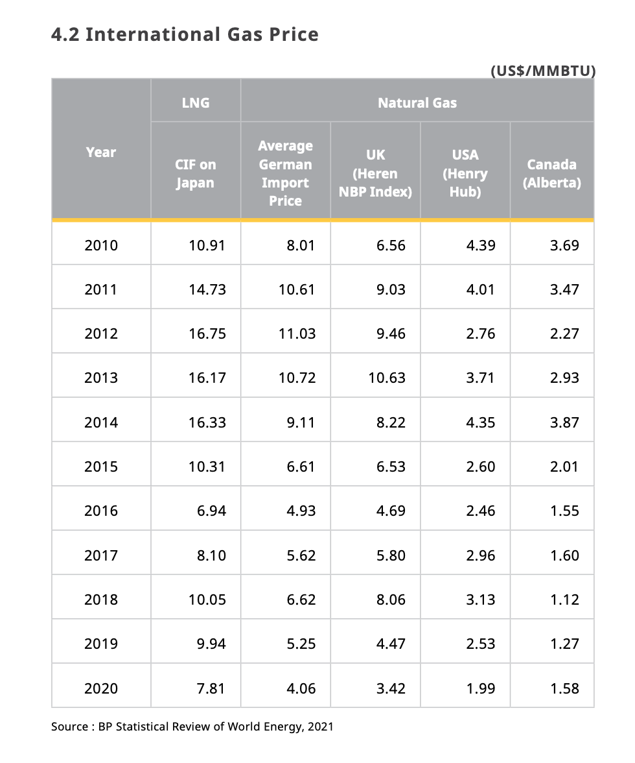
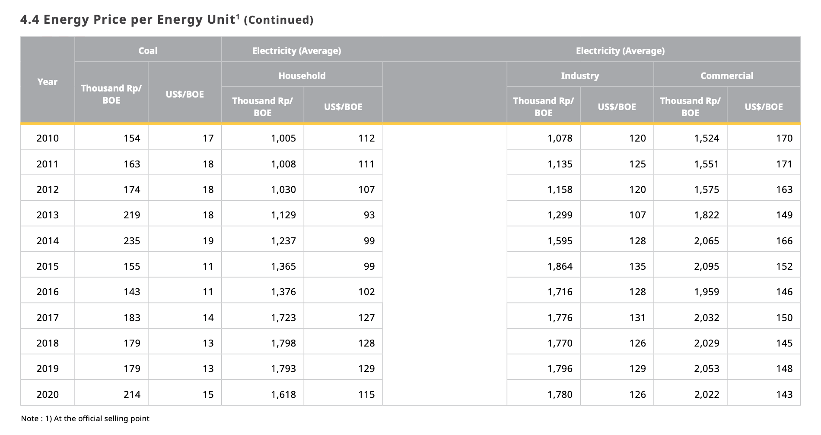
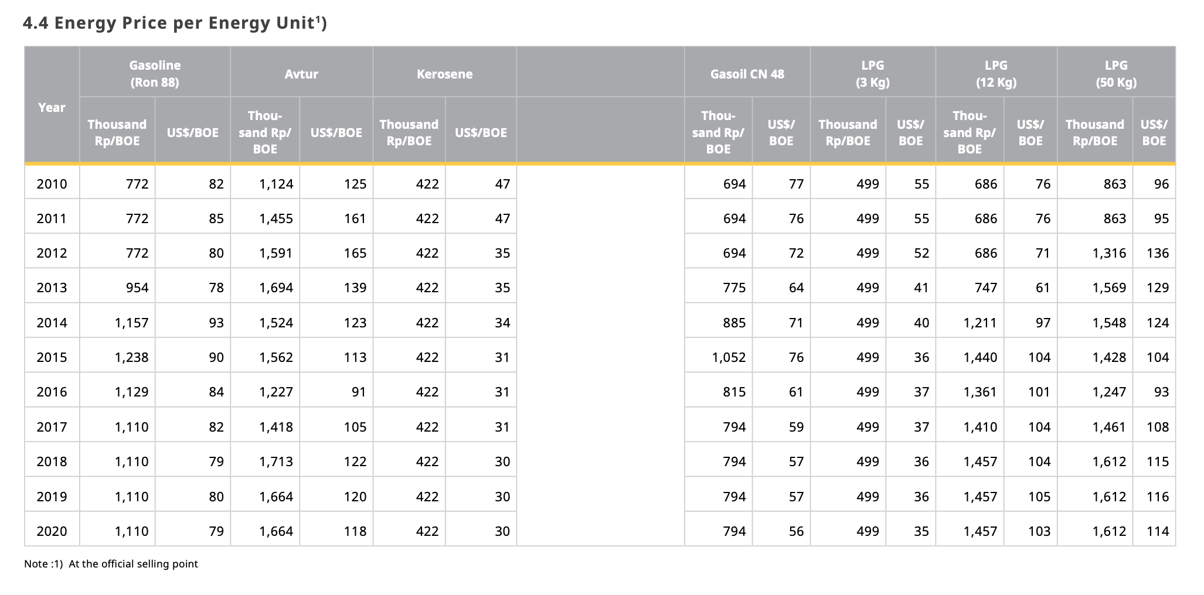
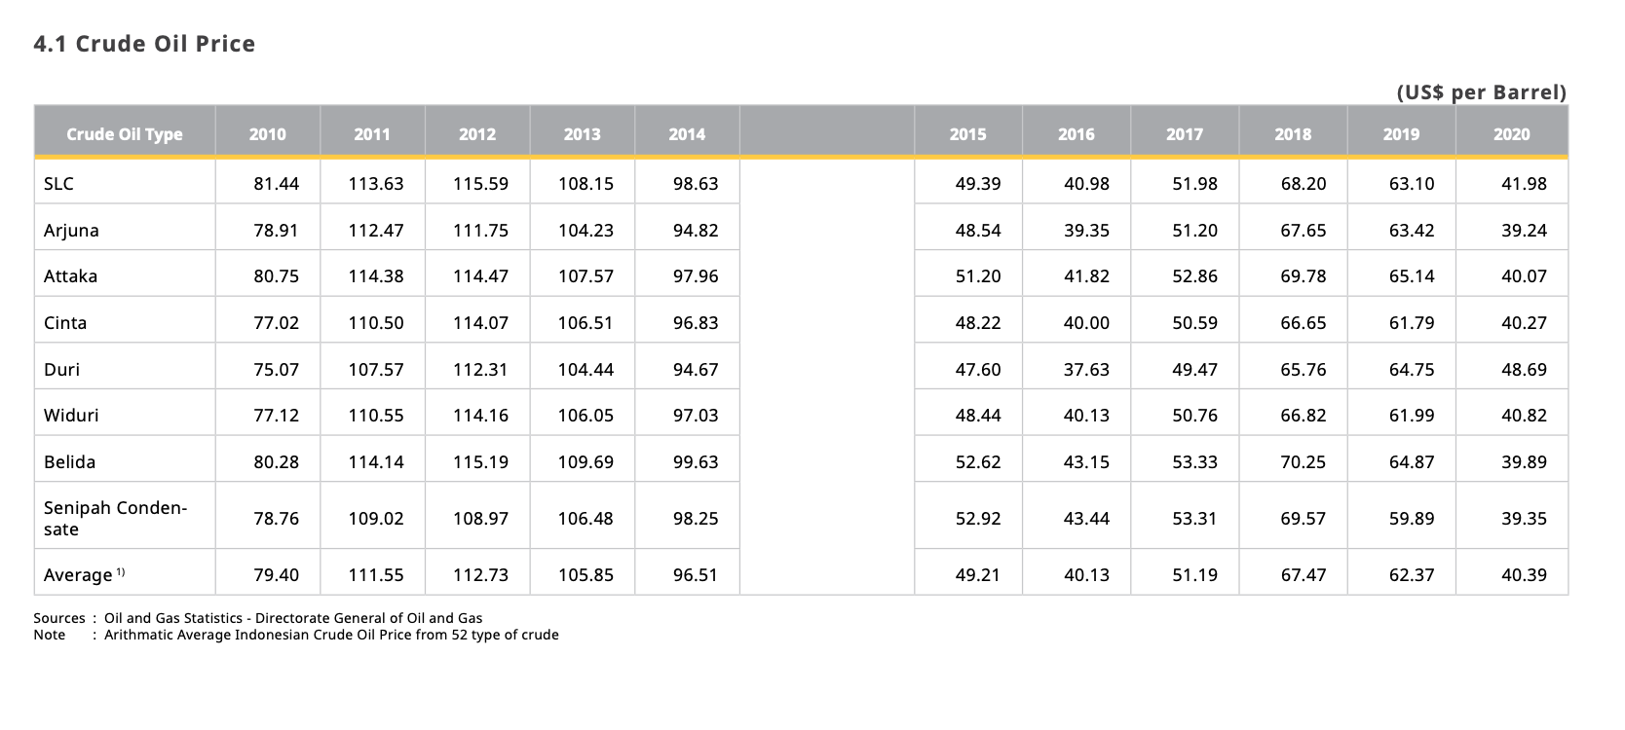
Units (US$/BOE) | 2010 | 2011 | 2012 | 2013 | 2014 | 2015 | 2016 | 2017 | 2018 | 2019 | 2020 | 2021 | 2022 | 2023 | 2024 | 2025 | 2026 | 2027 | 2028 | 2029 | 2030 | 2031 | 2032 | 2033 | 2034 | 2035 | 2036 | 2037 | 2038 | 2039 | 2040 | 2041 | 2042 | 2043 | 2044 | 2045 | 2046 | 2047 | 2048 | 2049 | 2050
Electricity - Household | 112.00 | 111.00 | 107.00 | 93.00 | 99.00 | 99.00 | 102.00 | 127.00 | 128.00 | 129.00 | 115.00 | 123.15 | 125.15 | 127.16 | 129.17 | 131.18 | 133.19 | 135.20 | 137.21 | 139.22 | 141.23 | 143.24 | 145.25 | 147.25 | 149.26 | 151.27 | 153.28 | 155.29 | 157.30 | 159.31 | 161.32 | 163.33 | 165.34 | 167.35 | 169.35 | 171.36 | 173.37 | 175.38 | 177.39 | 179.40 | 181.41
Electricity - Industry | 120.00 | 125.00 | 120.00 | 107.00 | 128.00 | 135.00 | 128.00 | 131.00 | 126.00 | 129.00 | 126.00 | 131.11 | 132.13 | 133.15 | 134.16 | 135.18 | 136.20 | 137.22 | 138.24 | 139.25 | 140.27 | 141.29 | 142.31 | 143.33 | 144.35 | 145.36 | 146.38 | 147.40 | 148.42 | 149.44 | 150.45 | 151.47 | 152.49 | 153.51 | 154.53 | 155.55 | 156.56 | 157.58 | 158.60 | 159.62 | 160.64
Electricity - Commercial | 170.00 | 171.00 | 163.00 | 149.00 | 166.00 | 152.00 | 146.00 | 150.00 | 145.00 | 148.00 | 143.00 | 154.82 | 153.44 | 151.84 | 150.83 | 150.99 | 149.63 | 149.41 | 149.72 | 149.70 | 150.13 | 150.32 | 150.98 | 150.64 | 150.38 | 150.25 | 150.20 | 150.12 | 150.17 | 150.24 | 150.28 | 150.34 | 150.36 | 150.36 | 150.30 | 150.27 | 150.26 | 150.26 | 150.27 | 150.28 | 150.29
Coal - Indonesia | 17.00 | 18.00 | 18.00 | 18.00 | 19.00 | 11.00 | 11.00 | 14.00 | 13.00 | 13.00 | 15.00 | 14.68 | 15.21 | 15.46 | 15.46 | 15.46 | 15.43 | 15.34 | 15.27 | 15.15 | 15.02 | 14.90 | 14.80 | 14.68 | 14.59 | 14.46 | 14.37 | 14.27 | 14.18 | 14.05 | 13.96 | 13.83 | 13.74 | 13.62 | 13.49 | 13.37 | 13.27 | 13.15 | 13.02 | 12.90 | 12.77
Coal - US | 3.10 | 3.12 | 3.14 | 3.16 | 3.18 | 3.20 | 3.23 | 3.25 | 3.27 | 4.14 | 3.72 | 3.48 | 3.31 | 3.23 | 3.23 | 3.23 | 3.24 | 3.27 | 3.29 | 3.33 | 3.37 | 3.41 | 3.44 | 3.48 | 3.51 | 3.55 | 3.58 | 3.61 | 3.64 | 3.68 | 3.71 | 3.75 | 3.78 | 3.82 | 3.86 | 3.90 | 3.93 | 3.97 | 4.01 | 4.05 | 4.09
Natural Gas (US) | 4.39 | 4.01 | 2.76 | 3.71 | 4.35 | 2.60 | 2.46 | 2.96 | 3.13 | 2.53 | 1.99 | 3.17 | 3.06 | 2.97 | 2.99 | 2.93 | 2.80 | 2.82 | 2.85 | 2.84 | 2.81 | 2.84 | 2.92 | 2.89 | 2.88 | 2.87 | 2.86 | 2.85 | 2.86 | 2.86 | 2.86 | 2.87 | 2.87 | 2.87 | 2.87 | 2.87 | 2.86 | 2.86 | 2.86 | 2.87 | 2.87
Gasoline | 82.00 | 85.00 | 80.00 | 78.00 | 93.00 | 90.00 | 4.00 | 82.00 | 79.00 | 80.00 | 79.00 | 69.15 | 68.06 | 66.98 | 65.90 | 64.82 | 63.74 | 62.65 | 61.57 | 60.49 | 59.41 | 58.33 | 57.25 | 56.16 | 55.08 | 54.00 | 52.92 | 51.84 | 50.75 | 49.67 | 48.59 | 47.51 | 46.43 | 45.35 | 44.26 | 43.18 | 42.10 | 41.02 | 39.94 | 38.85 | 37.77
Gasoil CN 48 - Indonesia | 77.00 | 76.00 | 72.00 | 64.00 | 71.00 | 76.00 | 61.00 | 59.00 | 57.00 | 57.00 | 56.00 | 66.00 | 65.00 | 64.00 | 63.27 | 63.21 | 62.50 | 61.27 | 61.30 | 61.50 | 61.91 | 62.36 | 62.94 | 62.66 | 62.45 | 62.31 | 62.22 | 62.13 | 62.09 | 62.17 | 62.25 | 62.32 | 62.35 | 62.35 | 62.30 | 62.27 | 62.25 | 62.25 | 62.25 | 62.26 | 62.27
Avtur (Jet Fuel) | 125.00 | 161.00 | 165.00 | 139.00 | 123.00 | 113.00 | 91.00 | 105.00 | 122.00 | 120.00 | 118.00 | 125.64 | 125.69 | 122.48 | 118.62 | 116.77 | 116.20 | 116.49 | 118.81 | 120.06 | 119.89 | 119.88 | 120.05 | 119.54 | 118.98 | 118.66 | 118.67 | 118.84 | 119.08 | 119.31 | 119.36 | 119.30 | 119.24 | 119.18 | 119.11 | 119.07 | 119.07 | 119.11 | 119.15 | 119.18 | 119.19
Kerosene | 47.00 | 47.00 | 35.00 | 35.00 | 34.00 | 31.00 | 31.00 | 31.00 | 30.00 | 30.00 | 30.00 | 34.64 | 33.51 | 32.29 | 32.04 | 31.77 | 31.57 | 31.62 | 31.68 | 31.74 | 31.89 | 32.07 | 32.26 | 32.04 | 31.90 | 31.87 | 31.85 | 31.86 | 31.89 | 31.91 | 31.94 | 31.95 | 31.96 | 31.95 | 31.92 | 31.91 | 31.91 | 31.91 | 31.92 | 31.92 | 31.93
LPG 3 kg | 55.00 | 55.00 | 52.00 | 41.00 | 40.00 | 36.00 | 37.00 | 37.00 | 36.00 | 36.00 | 35.00
LPG 12 kg | 76.00 | 76.00 | 71.00 | 61.00 | 97.00 | 104.00 | 101.00 | 104.00 | 104.00 | 105.00 | 103.00
LPG 50 kg | 96.00 | 95.00 | 136.00 | 129.00 | 124.00 | 104.00 | 93.00 | 108.00 | 115.00 | 116.00 | 114.00
Average LPG | 75.67 | 75.33 | 86.33 | 77.00 | 87.00 | 81.33 | 77.00 | 83.00 | 85.00 | 85.67 | 84.00 | 85.99 | 86.73 | 87.47 | 88.20 | 88.94 | 89.68 | 90.41 | 91.15 | 91.88 | 92.62 | 93.36 | 94.09 | 94.83 | 95.57 | 96.30 | 97.04 | 97.78 | 98.51 | 99.25 | 99.98 | 100.72 | 101.46 | 102.19 | 102.93 | 103.67 | 104.40 | 105.14 | 105.88 | 106.61 | 107.35
Crude Oil | 79.40 | 111.55 | 112.73 | 105.85 | 96.51 | 49.21 | 40.13 | 51.19 | 67.47 | 62.37 | 40.39 | 74.25 | 73.79 | 70.35 | 66.50 | 62.92 | 59.87 | 60.84 | 62.72 | 63.77 | 63.44 | 63.53 | 65.64 | 64.85 | 64.04 | 63.47 | 63.19 | 63.21 | 63.52 | 63.76 | 63.86 | 63.86 | 63.90 | 63.94 | 63.78 | 63.68 | 63.65 | 63.67 | 63.71 | 63.76 | 63.78

 |  |  |  |  |  |  |  |  |  | Conversion Rate
Assumption: |  |  |  |  |  |  |  |  |  | 5.80E+06 | BTU per | BOE
transportation = commercial sector
industry = dist. heating and geoengineering sector

